Sheet1
Store Setup Form
Organization / School: |  |  |  |  | Dealer Account Name: |  |  |  |  | Processing Fee: | % | $ | Fulfillment: | No |  | 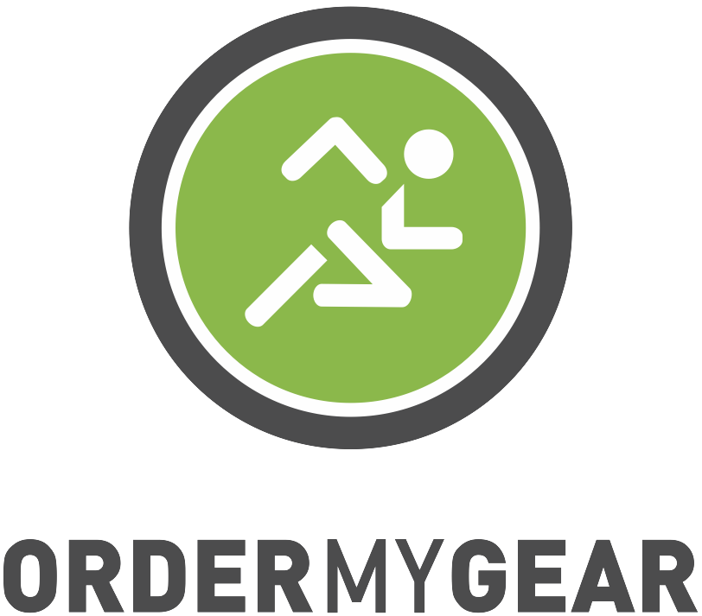
Activity / Sport: |  |  |  |  | Open Store On: |  |  |  |  | Sales Tax: | % |  | Attention | If this store is going through the OMG Fulfillment Process please CC fulfillment@ordermygear.com and fill in the orange columns at the far right of this spreadsheet.
Salesperson: |  |  |  |  | Close Store On: |  |  |  |  | Shipping Fee: | % | $
Requested Direct Access URL: |  |  |  |  | Internal Store Contact Person: |  |  |  |  | Handling Fee: | % | $
Store Message: |  |  |  |  | User Terms: |  |  |  |  | Please send store request and required files to service@ordermygear.com Changes requested after store completion are subject to additional fees.
 | Product Name | Category | Manufacturer | Style Number | Required Product | MSRP | COGS | Base Price | Fundraising | Final Customer Price | Available Sizes | Size Upcharge | Colors | Logo File Name | Logo Placement | Player Name Fee | Player Number Fee | Additional Notes | Decoration Type | Personalization Type
Ex. | Ultra Cotton Adult T-Shirt | Apparel | Gildan | 2000 | Yes | $10.00 | $2.50 | $12.00 | $5.00 | $17.00 | Small - 3X | XL and up (+$2) | Black, True Grey, White | Screen 1.jpg | Full Front | $5.00 | $5.00 | Red ink on all colors | Screen | Vinyl name on back
1 |  |  |  |  |  |  |  |  |  | $-
2 |  |  |  |  |  |  |  |  |  | $-
3 |  |  |  |  |  |  |  |  |  | $-
4 |  |  |  |  |  |  |  |  |  | $-
5 |  |  |  |  |  |  |  |  |  | $-
6 |  |  |  |  |  |  |  |  |  | $-
7 |  |  |  |  |  |  |  |  |  | $-
8 |  |  |  |  |  |  |  |  |  | $-
9 |  |  |  |  |  |  |  |  |  | $-
10 |  |  |  |  |  |  |  |  |  | $-
11 |  |  |  |  |  |  |  |  |  | $-
12 |  |  |  |  |  |  |  |  |  | $-
13 |  |  |  |  |  |  |  |  |  | $-
14 |  |  |  |  |  |  |  |  |  | $-
15 |  |  |  |  |  |  |  |  |  | $-
16 |  |  |  |  |  |  |  |  |  | $-
17 |  |  |  |  |  |  |  |  |  | $-
18 |  |  |  |  |  |  |  |  |  | $-
19 |  |  |  |  |  |  |  |  |  | $-
20 |  |  |  |  |  |  |  |  |  | $-
Additional products beyond the first 20 will incur a $1 fee per product. Additional mock up images beyond the first 20 will incur a $1 fee per mockup. Each garment color offered with artwork is considered 1 mock up.
21 |  |  |  |  |  |  |  |  |  | $-
22 |  |  |  |  |  |  |  |  |  | $-
23 |  |  |  |  |  |  |  |  |  | $-
24 |  |  |  |  |  |  |  |  |  | $-
25 |  |  |  |  |  |  |  |  |  | $-
26 |  |  |  |  |  |  |  |  |  | $-
27 |  |  |  |  |  |  |  |  |  | $-
28 |  |  |  |  |  |  |  |  |  | $-
29 |  |  |  |  |  |  |  |  |  | $-
30 |  |  |  |  |  |  |  |  |  | $-
31 |  |  |  |  |  |  |  |  |  | $-
32 |  |  |  |  |  |  |  |  |  | $-
33 |  |  |  |  |  |  |  |  |  | $-
34 |  |  |  |  |  |  |  |  |  | $-
35 |  |  |  |  |  |  |  |  |  | $-
36 |  |  |  |  |  |  |  |  |  | $-
37 |  |  |  |  |  |  |  |  |  | $-
38 |  |  |  |  |  |  |  |  |  | $-
39 |  |  |  |  |  |  |  |  |  | $-
40 |  |  |  |  |  |  |  |  |  | $-
41 |  |  |  |  |  |  |  |  |  | $-
42 |  |  |  |  |  |  |  |  |  | $-
43 |  |  |  |  |  |  |  |  |  | $-
44 |  |  |  |  |  |  |  |  |  | $-
45 |  |  |  |  |  |  |  |  |  | $-
46 |  |  |  |  |  |  |  |  |  | $-
47 |  |  |  |  |  |  |  |  |  | $-
48 |  |  |  |  |  |  |  |  |  | $-
49 |  |  |  |  |  |  |  |  |  | $-
50 |  |  |  |  |  |  |  |  |  | $-

